MAIAD Lab 02A
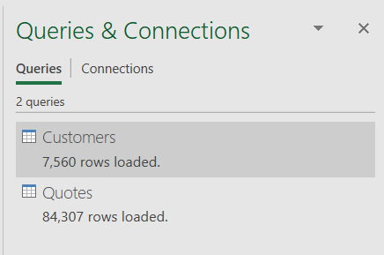
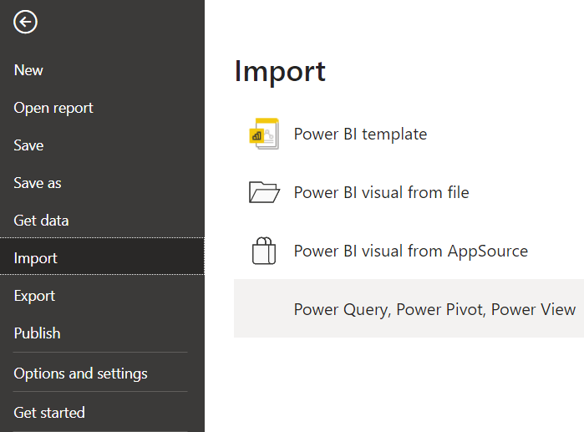
MAIAD - Lab 02A - Import & Data Modelling

